Sheet1
Table 1 : Arguments

 |  |  |  |  |  |  |  |  |  |  |  |  |  |  |  | Old (Incorrect Vals)
System Number | l1d(l1i) size | l2 size | l1d(l1i) assoc | l2 assoc |  | LQ entries | SQ Entries | ROB Entries |  | IQ Entries |  | Comments |  |  |  | 64 | 128 | 8 | 4 | Tournament | 64 | 64 | 192 | 64
1 | 64 kB | 256 kB | 8 | 8 | TournamentBP | 64 | 64 | 192 |  | 64 |  |  |  |  |  | 64 | 512 | 8 | 4 | Tournament | 64 | 64 | 192 | 64
2 | 64 kB | 512 kB | 8 | 8 | TournamentBP | 64 | 64 | 192 |  | 64 |  |  |  |  |  | 64 | 256 | 8 | 8 | Tournament | 64 | 64 | 192 | 64
3 | 64 kB | 128 kB | 8 | 4 | TournamentBP | 64 | 64 | 192 |  | 64 |  |  |  |  |  | 64 | 512 | 8 | 8 | Tournament | 64 | 64 | 192 | 64
4 | 64 kB | 256 kB | 8 | 4 | TournamentBP | 64 | 64 | 192 |  | 64 |  |  |  |  |  | 64 | 256 | 8 | 4 | Tournament | 64 | 64 | 192 | 64
5 | 64 kB | 512 kB | 8 | 4 | TournamentBP | 64 | 64 | 192 |  | 64 |  |  |  |  |  | 64 | 128 | 8 | 8 | Tournament | 64 | 64 | 192 | 64
6 | 64 kB | 128 kB | 8 | 8 | TournamentBP | 64 | 64 | 192 |  | 64 |  |  |  |  |  | 64 | 512 | 8 | 4 | Tournament | 32 | 64 | 192 | 64
7 | 64 kB | 512 kB | 8 | 8 | TournamentBP | 32 | 64 | 192 |  | 64 |  |  |  |  |  | 64 | 128 | 8 | 8 | Tournament | 32 | 64 | 192 | 64
8 | 64 kB | 256 kB | 8 | 8 | TournamentBP | 32 | 64 | 192 |  | 64 |  |  |  |  |  | 64 | 128 | 8 | 4 | Tournament | 32 | 64 | 192 | 64
9 | 64 kB | 128 kB | 8 | 8 | TournamentBP | 32 | 64 | 192 |  | 64 |  |  |  |  |  | 64 | 256 | 8 | 4 | Tournament | 32 | 64 | 192 | 64
10 | 64 kB | 512 kB | 8 | 4 | TournamentBP | 32 | 64 | 192 |  | 64

Table 2 : Outputs

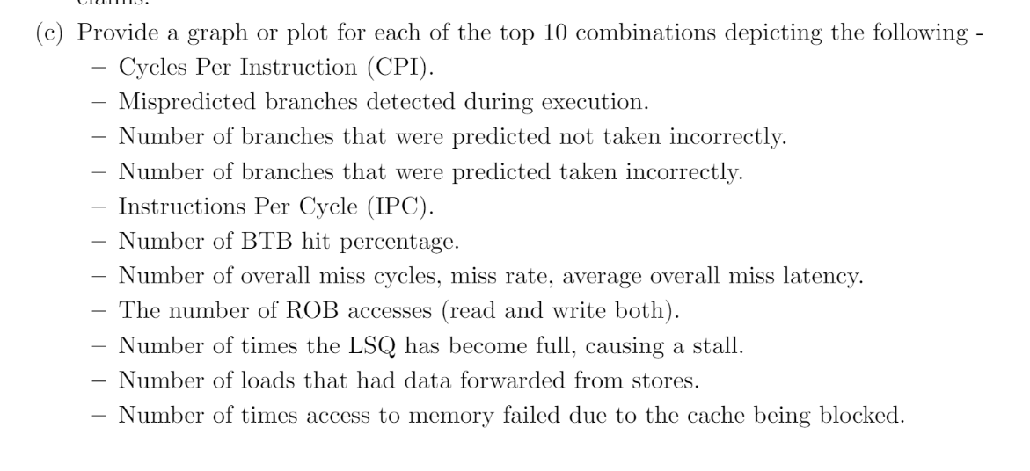

System Number | cpi | branchMispredicts | predictedNotTakenIncorrect | predictedTakenIncorrect | ipc | BTBHitRatio | overallMisses (d cache) | overallMisses (i cache) | demandAvgMissLatency (d cache) | demandAvgMissLatency (i cache) | overall miss rate (d cache) | overall miss rate (i cache) | ROB reads+writes | lsqFullEvents | forwLoads | blockedByCache
1 | 1.271791 | 7641 | 5301 | 2340 | 0.786293 | 0.960967 | 15559 | 1754 | 43852.143454 | 52259.122007 | 0.091281 | 0.019989 | 3686714 | 3955 | 20577 | 276
2 | 1.271791 | 7641 | 5301 | 2340 | 0.786293 | 0.960967 | 15559 | 1754 | 43852.143454 | 52259.122007 | 0.091281 | 0.019989 | 3686714 | 3995 | 20577 | 276
3 | 1.271791 | 7641 | 5301 | 2340 | 0.786293 | 0.960967 | 15559 | 1754 | 43852.143454 | 52259.122007 | 0.091281 | 0.019989 | 3686714 | 3955 | 20577 | 276
4 | 1.271791 | 7641 | 5301 | 2340 | 0.786293 | 0.960967 | 15559 | 1754 | 43852.143454 | 52259.122007 | 0.091281 | 0.019989 | 3686714 | 3955 | 20577 | 276
5 | 1.271791 | 7641 | 5301 | 2340 | 0.786293 | 0.960967 | 15559 | 1754 | 43852.143454 | 52259.122007 | 0.091281 | 0.019989 | 3686714 | 3955 | 20577 | 276
6 | 1.271791 | 7641 | 5301 | 2340 | 0.786293 | 0.960967 | 15559 | 1754 | 43852.143454 | 52259.122007 | 0.091281 | 0.019989 | 3686714 | 3955 | 20577 | 276
7 | 1.273201 | 7592 | 5253 | 2339 | 0.785422 | 0.961017 | 15493 | 1762 | 44195.314013 | 51982.406356 | 0.090925 | 0.020088 | 3685685 | 3901 | 20575 | 282
8 | 1.273201 | 7592 | 5253 | 2339 | 0.785422 | 0.961017 | 15493 | 1762 | 44195.314013 | 51982.406356 | 0.090925 | 0.020088 | 3685685 | 3901 | 20575 | 282
9 | 1.273201 | 7592 | 5253 | 2339 | 0.785422 | 0.961017 | 15493 | 1762 | 44195.314013 | 51982.406356 | 0.090925 | 0.020088 | 3685685 | 3901 | 20575 | 282
10 | 1.273201 | 7592 | 5253 | 2339 | 0.785422 | 0.961017 | 15493 | 1762 | 44195.314013 | 51982.406356 | 0.090925 | 0.020088 | 3685685 | 3901 | 20575 | 282
 |  | system.cpu.branchMispredicts
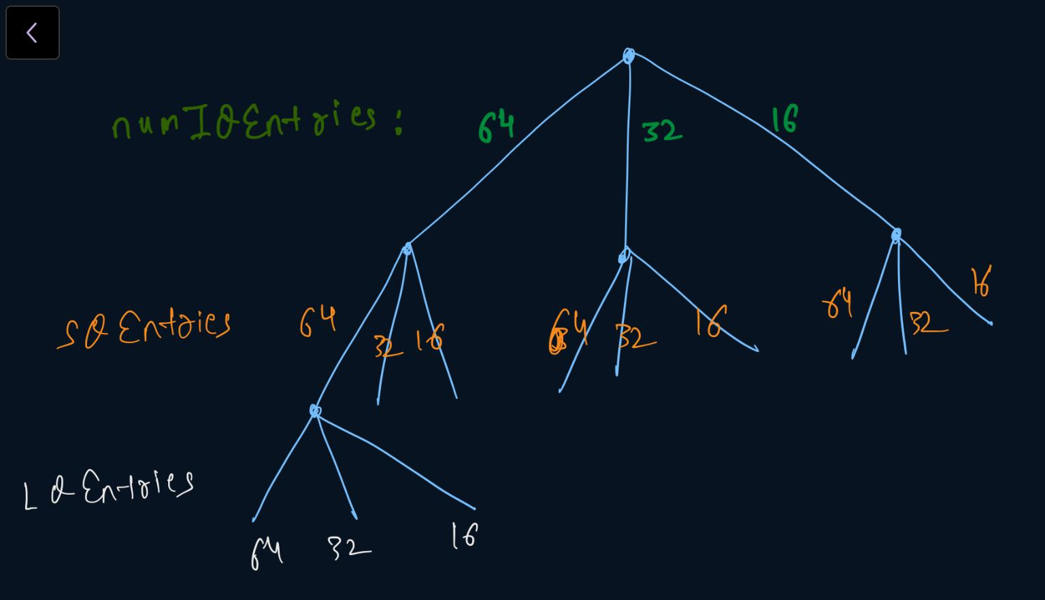

Name | numIQEntries | SQEntries | LQEntries | Rest | Total FIles in gem5/Stats/Assign1 (txt files) | Status |  | Standard File (upload in Stats/Standard Run with name)
Aadarsh | 64 | 64 | 16 | all | 432 | Aadarsh : Done | Amatya : Done | Uploaded
Amatya | 64 | 64 | 32 | all | 432 | Amatya : Done |  | Uploaded
Faraaz/Venkatesh | 64 | 64 | 64 | all | 432 | Faraaz : Done |  | Uploaded
Rohan | 64 | 32 | all | all | 1296 | Rohan : Done |  | Uploaded
Shrey | 64 | 16 | all | all | 1296 | Yogesh:Done
Siddhant | 32 | 16 | all | all | 1296 | Siddhant : Done
Udit | 32 | 32 | all | all | 1296 | Udit : Done |  | Uploaded
Veldi | 32 | 64 | all | all | 1296 | Amatya : Done | Veldi : Done
Yash Butala | 16 | 64 | all | all | 1296 | Yash : Done |  | Uploaded
Yash Gupta | 16 | 32 | all | all | 1296 | Yogesh : Done
Yogesh | 16 | 16 | all | all | 1296 | Yogesh : Done |  | Uploaded
 |  |  |  | Total = | 11664
 |  |  |  | Average = | 1061

 |  |  |  |  |  | 11664

 |  |  |  |  |  | Please comment to push any changes/updates

